C and biomass calculation
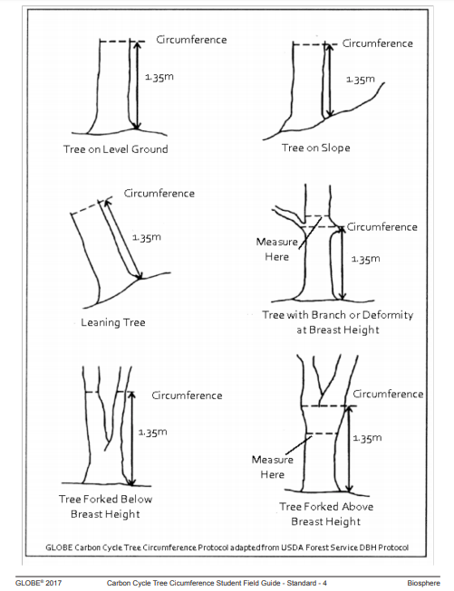
YOUR DATA |  |  | RESULTS
Tree name | Tree species | Circumference (cm) | Aboveground Biomass (g) | Aboveground Carbon Storage (g C) | Total Biomass (g) | Total Carbon Storage (g C)
 | click to choose from a list |  | #NAME? | #NAME? | #NAME? | #NAME?
 | click to choose from a list |  | #NAME? | #NAME? | #NAME? | #NAME?
 | click to choose from a list |  | #NAME? | #NAME? | #NAME? | #NAME?
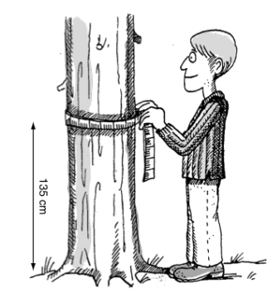

Legend
Tree name: | Enter the name of your tree or its number.
Tree species: | Choose from a list of tree species that will open, when you click on the field.
Circumference: | Enter tree circumference in centimeters. The tree circumference should be measured at brest hight (1.35m measured from the highest point of ground at the base of the tree). If your tree is “badly behaving”, follow instructions in the picture below.

